BODY JET
OYSTER BODY JET
Sr. No. | finishes | Product Discription | Product Image | MRP
1 | CROME+B3:E16 | Brook CP Fittings WAVE JET | 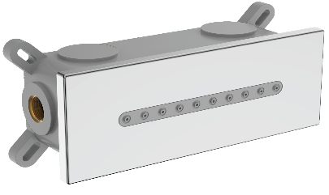 | ₹ 18,500
2 | BRUSHED GOLD | Brook CP Fittings WAVE JET | 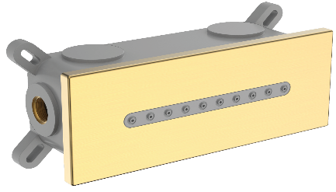 | ₹ 19,500
3 | BRUSHED ROSE GOLD | Brook CP Fittings WAVE JET |  | ₹ 19,500
4 | BRUSHED GUN METAL | Brook CP Fittings WAVE JET |  | ₹ 19,500
5 | MAAT BALCK | Brook CP Fittings WAVE JET | 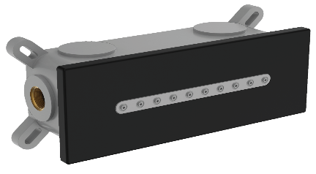 | ₹ 18,500
6 | BRUSHED ROSE GOLD | Brook CP Fittings WAVE JET |  | ₹ 19,500
7 | CROME | BROOK UP FITTINGS FESTOON BODY JET |  | ₹ 7,200
8 | BRUSHED ROSE GOLD | BROOK UP FITTINGS FESTOON BODY JET |  | ₹ 9,200
9 | BRUSHED GUN METAL | BROOK UP FITTINGS FESTOON BODY JET |  | ₹ 9,200
10 | MAAT BLACK | BROOK UP FITTINGS FESTOON BODY JET |  | ₹ 9,200
11 | BRUSHED GOLD | BROOK UP FITTINGS FESTOON BODY JET |  | ₹ 9,200
12 | ROSE GOLD | BROOK UP FITTINGS FESTOON BODY JET |  | ₹ 9,200
13 | CROME | BROOK UP FITTINGS BRAMBLE BODY JET |  | ₹ 10,300
14 | ROSE GOLD | BROOK UP FITTINGS BRAMBLE BODY JET |  | ₹ 12,300
15 | BRUSHED ROSE GOLD | BROOK UP FITTINGS BRAMBLE BODY JET |  | ₹ 12,300
16 | BRUSHED ROSE GOLD | BROOK UP FITTINGS BRAMBLE BODY JET |  | ₹ 12,300
17 | BRUSHED GUN METAL | BROOK UP FITTINGS BRAMBLE BODY JET |  | ₹ 12,300
18 | MAAT BLACK | BROOK UP FITTINGS BRAMBLE BODY JET |  | ₹ 12,300
19 | CROME | BROOK UP FITTINGS JET-X |  | ₹ 14,400
20 | ROSE GOLD | BROOK UP FITTINGS JET-X |  | ₹ 16,400
21 | BRUSHED GOLD | BROOK UP FITTINGS JET-X |  | ₹ 16,400
22 | BRUSHED ROSE GOLD | BROOK UP FITTINGS JET-X |  | ₹ 16,400
23 | BRUSHED GUN METAL | BROOK UP FITTINGS JET-X |  | ₹ 16,400
24 | MAAT BLACK | BROOK UP FITTINGS JET-X |  | ₹ 14,400

